Sheet1
 | Document No. |  | Issue No. | Issue Date |  |  | Review and Replace Date |  | Authorised By
 | GFF184MC |  | 2 | 10.07.2020 |  |  | 22.02.2021 |  | Magda Shah
 | Document Title |  | 50 Sweet Potato Falafel 20g
Document amendments reason for change | Shelf life updated, SO2 removed |  |  | Page 1 of 1 |  | Previous Issue Date |  | 10.07.2020 | Uncontrolled copy unless signed original

CVSFLB-B50T |  | GAZEBO |  |  | 50 X SWEET POTATO FALAFEL 20g
STEP 1 |  |  |  |  |  | STEP 2
 |  |  |  |  |  | 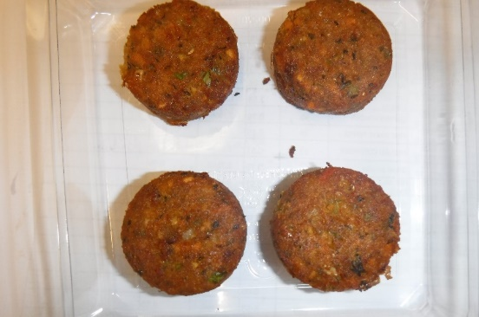

Packaging: H320/60 -CLEAR (596) (PKNUT001-05) |  |  |  |  |  | 50 x SWEET POTATO FALAFEL 20g (GFF297R): 1000g
Film: Reel Anti Fog Membrane- PP410 AF (PKPRO001-10)
STEP 3 |  |  |  |  |  | STEP 4

photo to be taken

TOTAL WEIGHT: 1000g

ALLERGY ALERT: none

